PRD
Product Requirement Document (PRD) - Version: 1.0

Template Name |  | Online Quiz
Goals & Objective |  | The goal of this platform is to provide an interactive, educational, and engaging online quiz experience for learners and educators, utilizing a seamless, user-friendly interface From this website user/miner can : - Engage in quizzes across multiple subjects with a variety of question types (multiple choice, true/false, short answer, etc.). - Users can view their scores, review quiz results, and track their improvement over time. - Educators and users can create personalized quizzes based on their curriculum or interests. - Users and educators can update their profiles, including personal information, preferences, and learning goals.
Client Information
Product Type |  | Web Application
Domain |  | Web2
Access Layers |  | Admin,Teacher,Student,Moderator
Design Required |  | Yes

Phase | Item No | Specification [Role] | Screen Definition | User Story | Acceptance Criteria | UI Screen / Wireframe | Tags
Feature: 1 |  | Auth Feature
phase 1 | 1 | Login [Admin] [Teacher] [Student][Moderator] | Form with Email and Password inputs Sign In button Social login buttons | As an admin, I want to log in with valid credentials so I can access the admin dashboard. | Email and password validated Error shown on invalid credentials Redirect to admin dashboard on success | 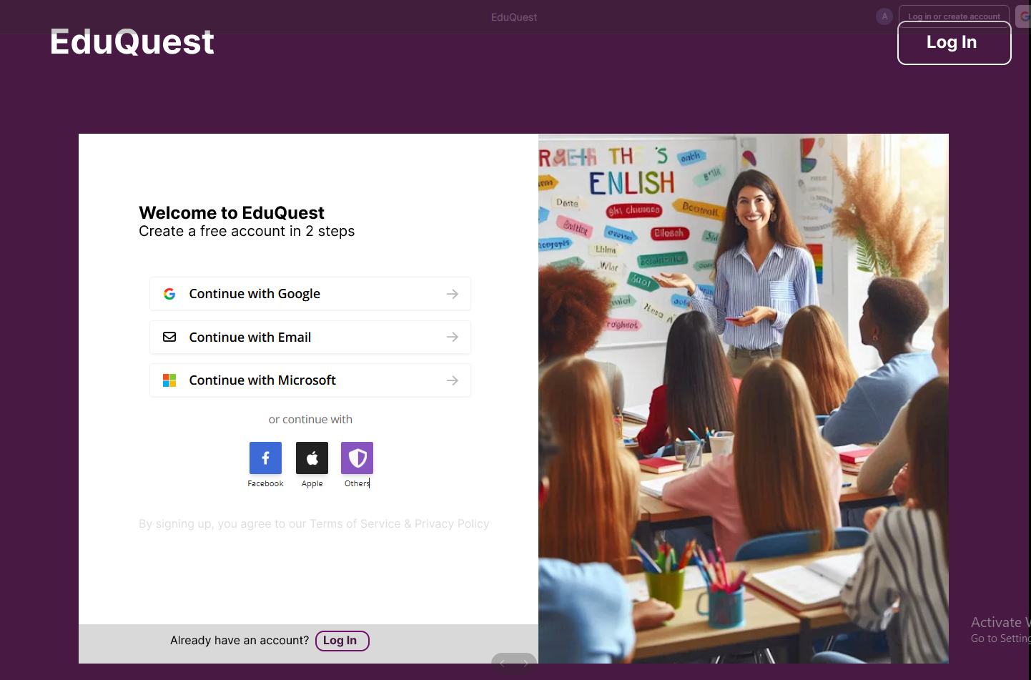 | Login
phase 1 | 2 | Registration [Admin] [Teacher] [Student][Moderator] | Form with Full Name, Email, Password inputs Sign Up button | As an admin, I want to register to the platform so I can start managing educational content. | CTA button clickable and navigates to Sign Up or Login | 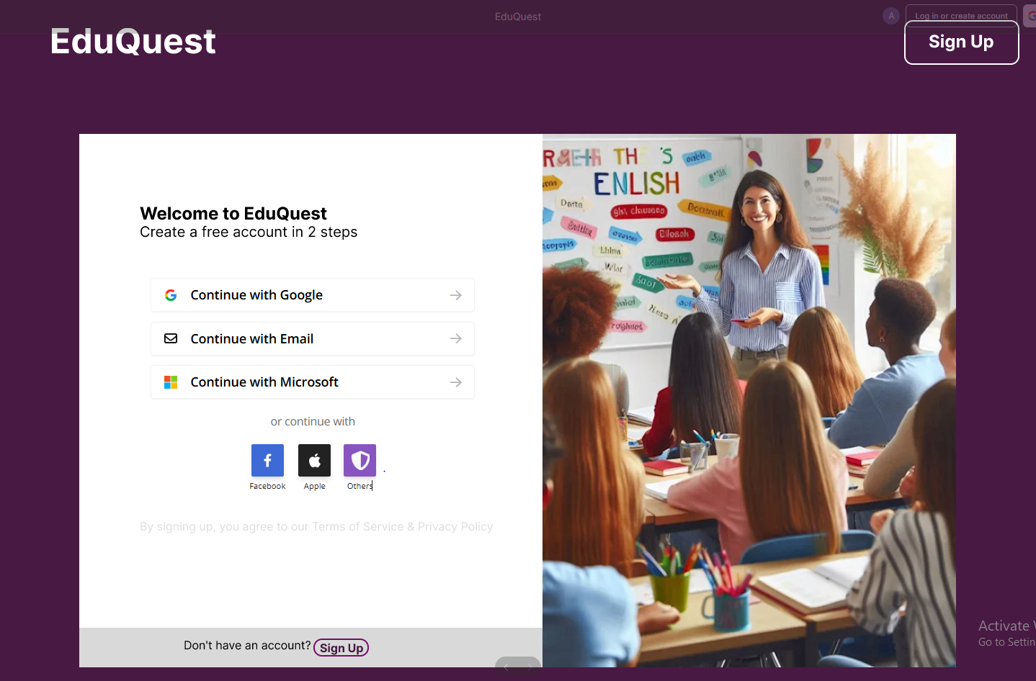 | register, signup
phase 1 | 3 | Landing Page [Public] | Hero section with headline, subheadline, and CTA button “Start adapting your curriculum” | As a visitor, I want to understand what EduQuest offers so I can decide to register. | - email must match DB email or promt "No email found!" - pressing send code will print a message "code sent!" and the code can be found at user info row. - enter new password [At least 8 characters long, atleast one special character] - re-type new password [it should match new password] - clicking submit button will show user -> "password changed" if all info match criteria or it'll indicate what's wrong | 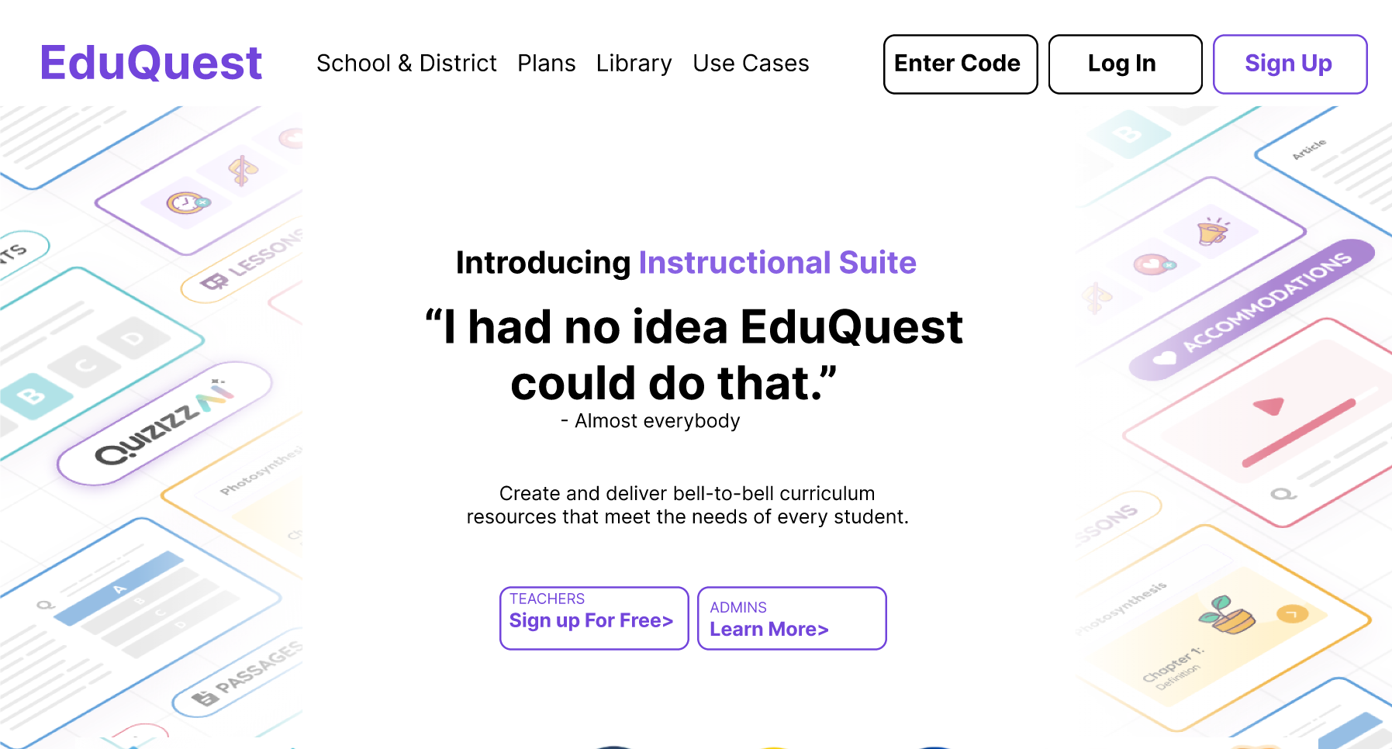 | home
Feature: 2 |  | Dashboard
Feature: 3 |  | Top bar and Bottom Bar
phase 1 | 7 | Top Bar [Public, Admin] | Persistent header with logo and navigation links (e.g., Login, Sign Up) | As a user, I want to see navigation links so I can easily move to Login or Sign Up pages. | - none |  | navigation, UI
phase 1 | 8 | Bottom Bar [Public, Admin] | Footer section with app download buttons, copyright, and links | As a user, I want to see additional info and download links at the bottom of pages. | Footer is visible on all pages App store badges clickable |  | footer, UI
Feature: 4
Feature: 5 |  | Public Ledger
Feature: 6 |  | Block
phase 2 | 11
Feature: 7 |  | Mempool
Feature: 8
phase 2 | 13 | Mine Blocks[miner] | <table=block> <row = block no> <row = nonce> <row = data> <row = prev hash> <row = hash> <row = try mining with given nonce> <row = mine> | - current block no(number) - nonce(can be input) - data(all transactions) - prev hash(previous block hash) - hash(current hash with given data) - try mining with given nonce( button - it'll generate a hash with given nonce,blockno,data,prevhash and check if it's less than target) - mine (it'll try all possible nonce to find a hash which is less than target) | - block number should be 1 + previous block number. Genesis block number is 1 - default nonce value is one - data should include all valid transaction in the block - prev hash should be the hash of previous block - "try mining with given nonce" button will try to mine using the given nonce - mine button will find a valid hash that is less than the target and notify miner that it's ready to be added to the verification list
Feature: 9 |  | Verify Blocks
Feature: 10 |  | Profile
Feature: 11 |  | Transaction details
Feature: 12 |  | Block details
Feature: 13 |  | Notification
Feature: 14 |  | Fllowed User
Feature: 15 |  | Legal Agreement Feature
Feature: 16 |  | Transaction History
Feature: 17 |  | About
Feature: 18 |  | Learning Portal
Feature: 19 |  | Deposit
Feature: 20 |  | FAQ
Feature: 21 |  | Currency Converstion
Feature: 22 |  | Request Bitcoin
phase 3 | 32
Feature: 22 |  | Bill Payment
phase 3 | 33

